Water Analysis 2023
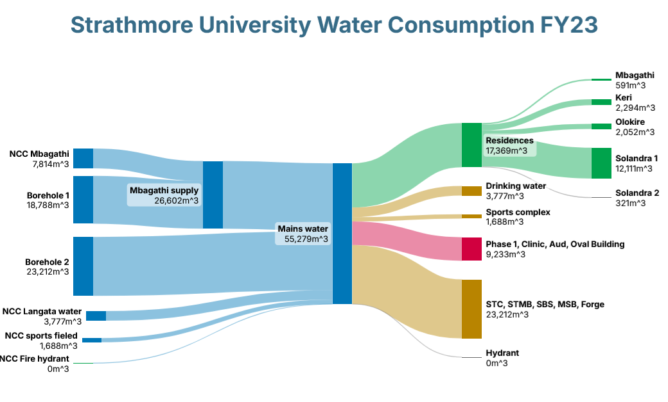
Water consumption in '000 litres
2023 | Meter No./Acc No. | Total | January | February | March | April | May | June | July | August | September | October | November | December
Mbagathi NCWSC | 5078365 | 7,814 | 651 | 651 | 933 | 785 | 820 | 391 | 697 | 634 | 606 | 651 | 530 | 465
Mbagathi | sub meter | 591 | 49 | 49 | 49 | 49 | 56 | 47 | 50 | 45 | 51 | 49 | 42 | 55
Borehole 1 (Mbagathi) | 5065988 | 18,788 | 1692 | 1692 | 1407 | 172 | 1549 | 1591 | 1777 | 1929 | 2603 | 1692 | 1272 | 1412
Keri | sub meter | 2,294 | 191 | 191 | 175 | 161 | 209 | 215 | 257 | 182 | 191 | 191 | 173 | 158
Olokire | sub meter | 2,052 | 171 | 171 | 154 | 118 | 183 | 136 | 187 | 190 | 184 | 171 | 191 | 196
Solandra 1 | sub meter | 12,111 | 1009 | 1009 | 939 | 774 | 970 | 861 | 973 | 924 | 988 | 1009 | 1447 | 1208
Solandra 2 | sub meter | 321 | 27 | 27 | 26 | 21 | 26 | 22 | 25 | 31 | 40 | 27 | 26 | 23
Sports field NCWSC | ? | 1,688 | 140 | 140 | 102 | 90 | 120 | 115 | 142 | 173 | 112 | 140 | 135 | 279
Borehole 2 (STC) | 5171777 | 23,212 | 1934 | 1934 | 2137 | 1311 | 1915 | 2171 | 2343 | 2333 | 1679 | 1934 | 1556 | 1965
Langata Gate NCWSC | 5216943 | 3,777 | 343 | 343 | 1 | 585 | 618 | 418 | 362 | 315 | 299 | 343 | 121 | 29
Fire hydrant NCWSC | ? | 0 | 0 | 0 | 0 | 0 | 0 | 0 | 0 | 0 | 0 | 0 | 0 | 0
Total water intake |  | 55,279 | 4,760 | 4,760 | 4,580 | 2,943 | 5,022 | 4,686 | 5,321 | 5,384 | 5,299 | 4,760 | 3,614 | 4,150
Total water submetered |  | 46,046 | 3,864 | 3,864 | 3,583 | 3,109 | 4,097 | 3,985 | 4,339 | 4,193 | 3,544 | 3,864 | 3,691 | 3,913

Water Analysis 2024
Water consumption in '000 litres
2024 | Meter No./Acc No. | Total | January | February | March | April | May | June | July | August | September | October | November | December
Mbagathi NCWSC | 5078365 | 6,756 | 413 | 361 | 626 | 627 | 489 | 581 | 649 | 663 | 512 | 589 | 1,131 | 115
Mbagathi | sub meter | 586 | 60 | 54 | 42 | 48 | 47 | 47 | 48 | 45 | 42 | 65 | 71 | 17
Borehole 1 (Mbagathi) | 5065988 | 19,566 | 1,775 | 1,475 | 1,140 | 1,371 | 1,265 | 1,373 | 1,535 | 1,929 | 1,773 | 2,722 | 2,647 | 561
Keri | sub meter | 2,941 | 219 | 180 | 199 | 231 | 240 | 334 | 276 | 262 | 284 | 266 | 186 | 264
Olokire | sub meter | 2,335 | 242 | 183 | 148 | 201 | 154 | 183 | 194 | 260 | 194 | 209 | 163 | 204
Solandra 1 | sub meter | 11,985 | 1,183 | 1,048 | 1,111 | 1,458 | 1,006 | 990 | 1,200 | 720 | 769 | 1,020 | 705 | 775
Solandra 2 | sub meter | 350 | 33 | 27 | 24 | 26 | 27 | 33 | 35 | 25 | 32 | 33 | 24 | 31
Sports field NCWSC | ? | 1,439 | 259 | 92 | 65 | 128 | 103 | 132 | 148 | 107 | 76 | 162 | 149 | 18
Borehole 2 (STC) | 5171777 | 25,872 | 2,356 | 1,972 | 1,597 | 2,046 | 2,067 | 2,758 | 2,708 | 2,784 | 2,140 | 2,056 | 1,096 | 2,292
Langata Gate NCWSC | 5216943 | 2,062 | 113 | 146 | 5 | 281 | 455 | 192 | 109 | 206 | 134 | 146 | 128 | 147
Fire hydrant NCWSC | ? | - | - | - | - | - | - | - | - | - | - | - | - | -
Total water intake |  | 55,695 | 4,916 | 4,046 | 3,433 | 4,453 | 4,379 | 5,036 | 5,149 | 5,689 | 4,635 | 5,675 | 5,151 | 3,133
Total water submetered |  | 47,570 | 4,465 | 3,702 | 3,191 | 4,419 | 4,099 | 4,669 | 4,718 | 4,409 | 3,671 | 3,957 | 2,522 | 3,748
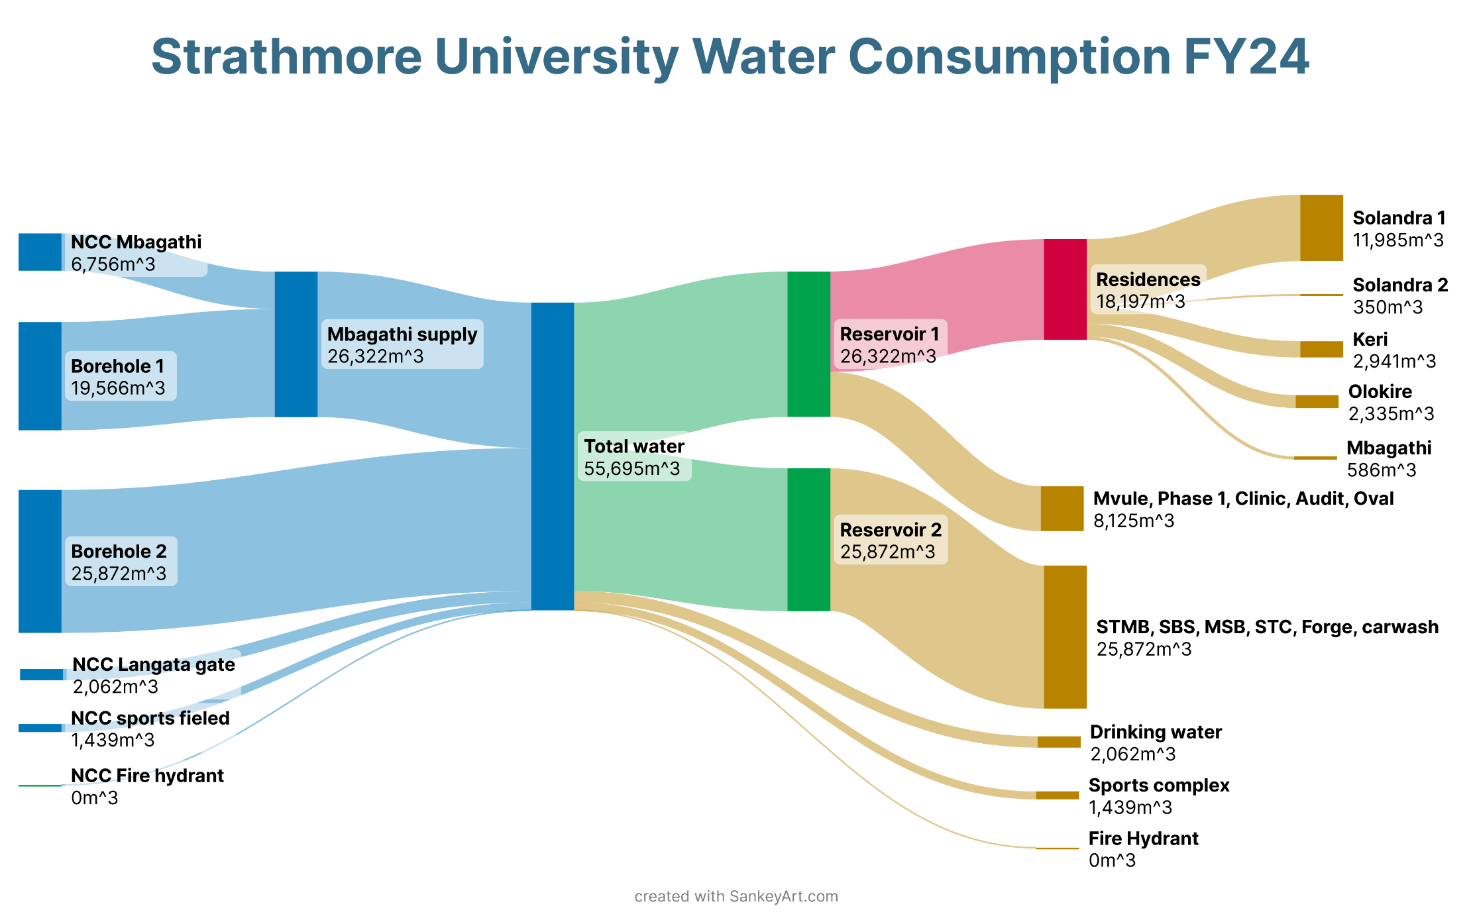

 |  |  |  |  |  |  |  |  |  |  |  |  |  |  | 9333

